Sheet1
1) | Suppose you have a small business selling handcrafted items. You want to find out how many units you need to sell to reach a profit goal of $10,000.
 | Given:
 | Selling price per unit: $50
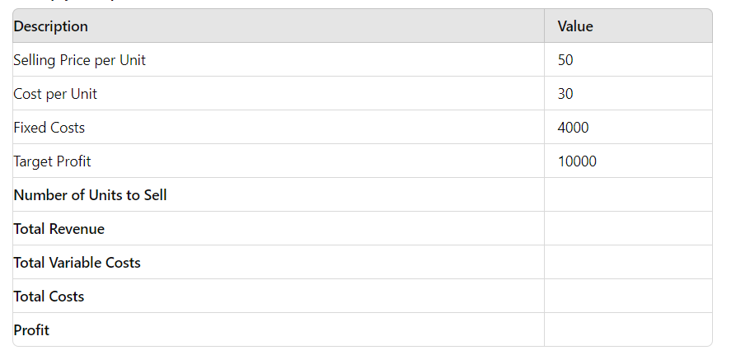
 | Cost per unit: $30
 | Fixed costs: $4,000

 | Description |  |  | value
 | Selling price per unit |  |  | 50
 | Cost per unit |  |  | 30
 | Fixed cost |  |  | 4000
 | Target Profit |  |  | 10000
 | Number of unit to sell |  |  | 700
 | Total Revenue |  |  | 35000
 | Total Variable Cost |  |  | 21000
 | Total cost |  |  | 25000
 | Porfit |  |  | 10000

2)
 | You have taken a loan of $20,000 to buy equipment for your business. The loan has an annual interest rate of 6%, and you want to determine the monthly payment needed to pay off the loan in 5 years.
 | Given:
 | Loan amount: $20,000
 | Annual interest rate: 6%
 | Loan term: 5 years

 | Emi= | $386.66

3) | 1. You want to analyse how different interest rates affect the monthly payment of a loan. The loan amount is $15,000, and you want to see how the monthly payment changes for interest rates ranging from 4% to 8% in 0.5% increments over a 5-year term.

 | 1) 4% to 8%

 | interst rate |  | monthely payment

 | 4% |  | $276.25
 | 4.50% |  | $279.65
 | 5% |  | $283.07
 | 5.50% |  | $286.52
 | 6% |  | $289.99
 | 6.50% |  | $293.49
 | 7% |  | $297.02
 | 7.50% |  | $300.57
 | 8% |  | $304.15

4)

 | 1. You want to evaluate how changes in the cost of goods sold (COGS) and the number of units sold impact the total profit. You have a fixed selling price of $50 per unit and fixed costs of $1,000. You want to analyze how different combinations of COGS ( 20 to and units sold affect the total profit.

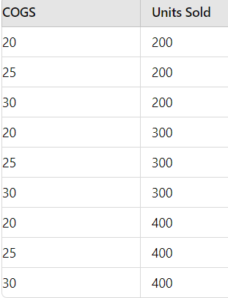
 |  |  |  | Create the table for the Data Table to analyse total profit

 |  | Discription |  | value
 |  | Selling p/u |  | 50
 |  | fixed cost |  | 1000
 |  | cogc
 |  | unit sold
 |  | total profit |  | #VALUE!
 |  | formula

